Sheet1
 |  | Think and Feel
 |  | Find patient "0"
 |  | Minimize kills in case we find a cure
 |  | Don't get myself or team infected
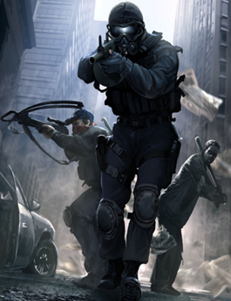

Hear |  |  |  | See
We can find a cure |  |  |  | Everyone is turning into zombies
My loved one has been infected |  |  |  | Infrastructure is falling apart
Be careful out there |  |  |  | Humans in need
The virus is mutating |  |  |  | Zombies can be hiding anywhere

 |  | Say and Do
 |  | Do what ever it takes
 |  | Travel where necessary
 |  | Get as many blood samples as possible
 |  | Take necessary precautions
 | Pain |  | Gain
To prevent infection can't get too close |  |  | Sampling from a distance is safer
Don't have much time to complete download |  |  | Find patient "0" = cure
Hard to maneuver wearing protective gear |  |  | Location patterns gets us closer to the target

